Sheet1
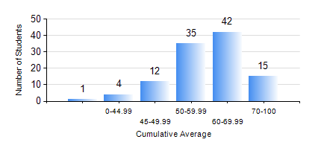
 |  |  | KWAME NKRUMAH UNIVERSITY OF SCIENCE AND TECHNOLOGY, KUMASI Department of Telecommunication Engineering

 |  |  | BSC. TELECOMMUNICATION ENG.

 |  |  | COMPREHENSIVE RECORD OF EXAMINATION RESULTS

 |  |  | RESULTS OF YEAR 1 FIRST SEMESTER, 2019/2020 ACADEMIC YEAR

 | Sn | Course Code |  | Course Name | Credit Hours | Min. Mark | Max. Mark | Avg. Mark | Std. Dev. | No. Passed | No. Trailed | No. (Df) | No. (I) | No. (I*) | No. Tagged(I,I*,Df) | Total
 | 0. |  |  |  |  |  |  | 0 | 0 | 0 | 0 | 0 | 0 | 0 | 0 | 1
 | 1. | CE 155 |  | ENVIRONMENTAL STUDIES | 2 | 0 | 78 | 61 | 11.86 | 106 | 2 | 0 | 0 | 0 | 0 | 108
 | 2. | EE 151 |  | APPLIED ELECTRICITY | 3 | 19 | 79 | 55 | 12.92 | 95 | 13 | 0 | 0 | 0 | 0 | 108
 | 3. | EE 153 |  | ENGINEERING TECHNOLOGY | 2 | 0 | 85 | 64 | 10.49 | 106 | 2 | 0 | 0 | 0 | 0 | 108
 | 4. | ENGL 157 |  | COMMUNICATION SKILLS I | 2 | 0 | 82 | 62 | 9.87 | 107 | 1 | 0 | 0 | 0 | 0 | 108
 | 5. | MATH 151 |  | ALGEBRA | 4 | 10 | 82 | 62 | 11.69 | 107 | 1 | 0 | 0 | 0 | 0 | 108
 | 6. | ME 159 |  | TECHNICAL DRAWING | 2 | 15 | 82 | 52 | 10.65 | 105 | 2 | 0 | 0 | 0 | 0 | 107
 | 7. | ME 161 |  | BASIC MECHANICS | 3 | 0 | 88 | 62 | 13.73 | 107 | 1 | 0 | 0 | 0 | 0 | 108

